HEADER
Model Name | Dairy Process | A representative name for the model
Authors and Contributors | Daniel Florez-Orrego; Ramana Heringer; Pietro Davi; Lorenzo Aimone; Oktay Boztas. | Authors and contributors to the development of the model can be listed along with their affiliated organizations.
Version | 1.0 | For maintaining a clear version history
Confidentiality | Open | The level of sensitivity can be indicated here; open, restricted, confidential
Creation Date | 01.06.2025 | The creation date of the model
References | dairyprocess.bib | References used during the model’s development can be provided in a .bib file
Grade | GRAY-BOX | The complexity and flexibility of the model can be classified as: black-box for fully static models, gray-box for partially adjustable models with calculated variables depending on user-defined decisions, and white-box for models where the full flowsheet is available
Software | DWSIM | Softwares that are used during the development of the model
URL | https://gitlab.epfl.ch/ipese/pinchsmall/dairycasestudy/-/tree/main/DairyCaseStudy/model?ref_type=heads | Link to the repository where the model is uploaded
Last Update Date | 21.07.2025 | The date of the last modification to the model
Keywords | Food | Keywords can be assigned to enable structured categorization of the models
Reference Capacity (main product/feedstock flowrate) | 2024.9 kg/h cheese | The reference capacity of the model can be defined based on the amount

DESCRIPTION | This model represents a dairy factory, processing fresh milk to produce a variety of products sold on the market: cream and cheese. It is made-up of 5 subprocesses: pasteurization, evaporation, cheese production, CIP and waste water treatment. As part of its waste streams, the factory discharges whey. Possible processes for valorizing this stream have been included in the analysis. They are the following: production of biogas through biodigestion or production of Rivella.
FLOWSHEET / BLOCK FLOW DIAGRAM ( .png or .svg) | model/pastprocess.svg; model/evaprocess.svg; model/cheeseprocess.svg; model/cipprocess.svg; model/biodigest.svg; model/mesistprocess.svg; model/rivellaprocess.svg

 | PASTEURISATION PROCESS

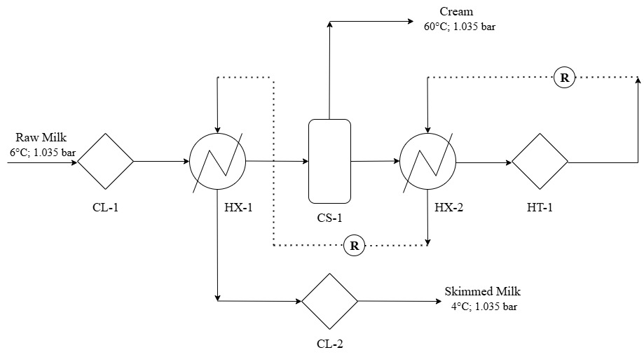

 | EVAPORATION PROCESS

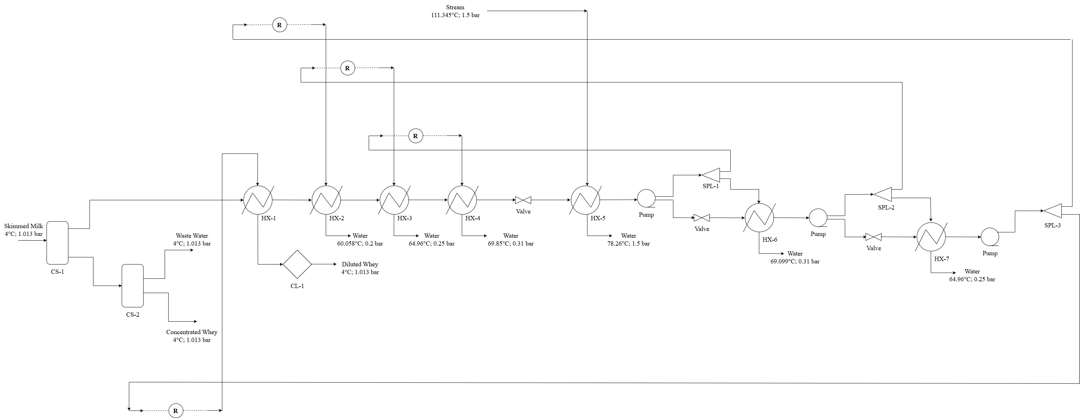

 | CHEESE PROCESS

 | MESOST PROCESS

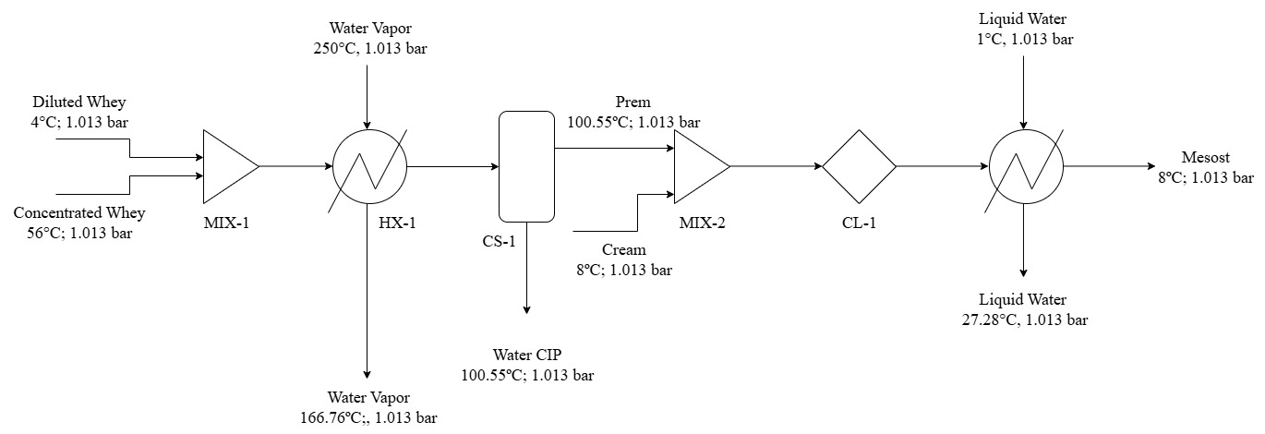

 | CIP PROCESS

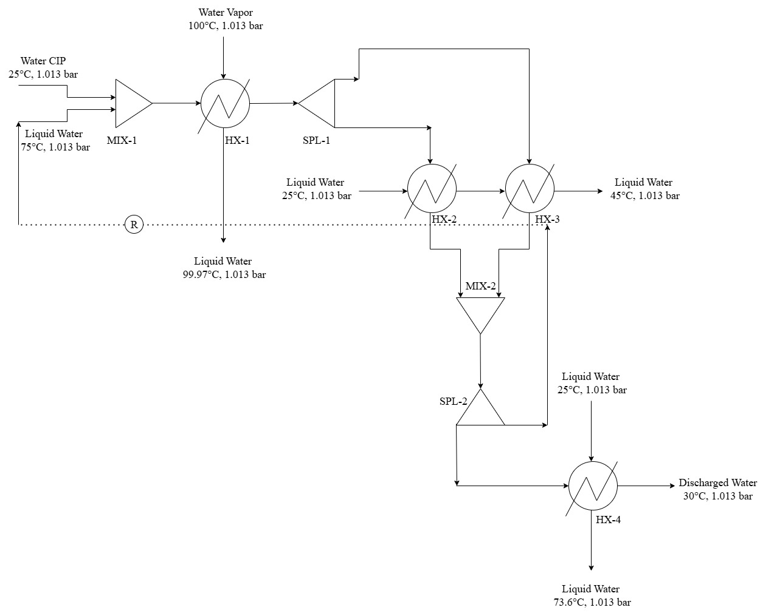

 | RIVELLA PROCESS

 | BIODIGESTION PROCESS

